Hiearchy View
CLASS: SWALE
A swale is a shady spot, or a sunken or marshy place. In particular, in US usage, it is a shallow channel with gently sloping sides. Such a swale may be either natural or human-made. |  | 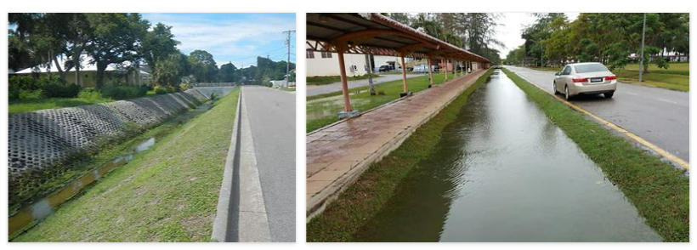
REMOVE | N

PROBLEM_DESC | CAUSE_DESC | REMEDY_DESC
BROKEN/DAMAGED
LEAKING
OTHER PROBLEM
OVERHEATING
PESTS
PRESSURE
STOPPED/SLOWED/POOR OPS
Grand Total

